Example
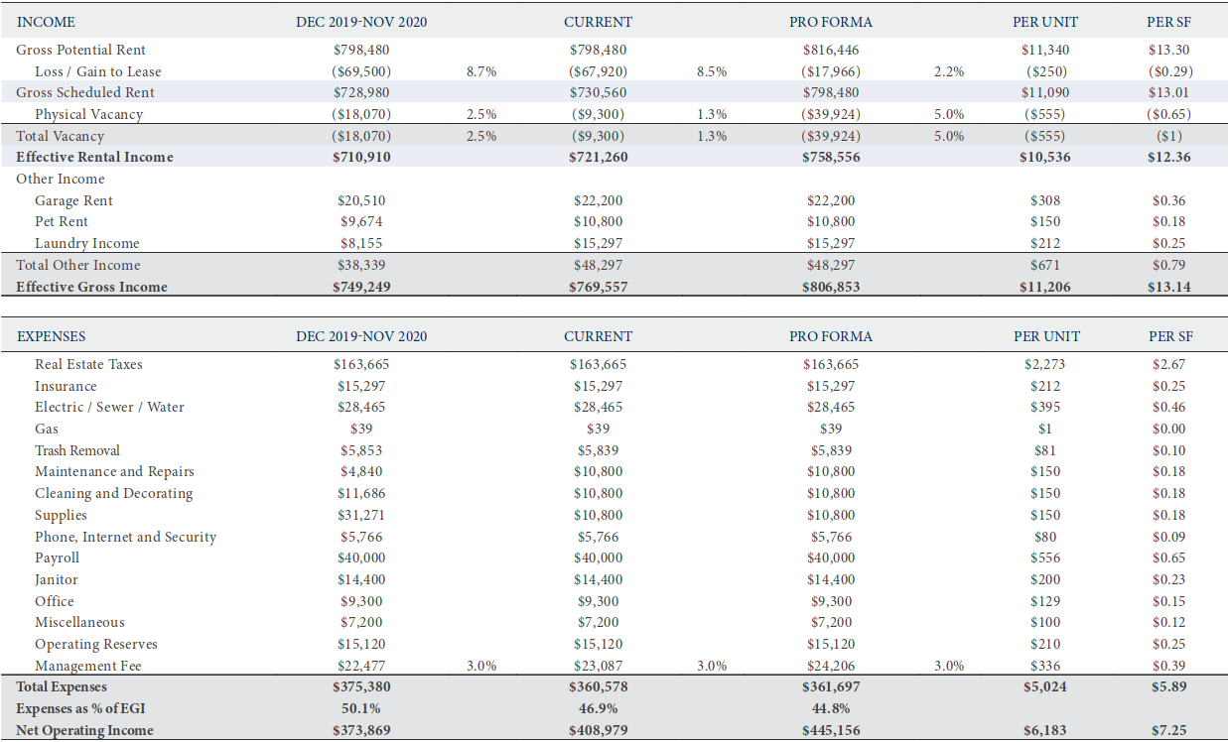
Rental Real Estate Income |  |  | Effective Gross Income= | $749,249
2 Gross Rents= | $749,249 | (Effective Gross Income)
 |  |  | Real Estate Taxes= | $163,665
Rental Real Estate Expenses |  |  | Insurance= | $15,297
5 Cleaning and maintenance= | $11,686 | (Cleaning and Decorating) | Electric/Sewer/Water= | $28,465
7 Insurance= | $15,297 |  | Gas= | $39
9 Interest= | $184,059 | (Debt Service: See next slide) | Trash Removal= | $5,853
10 Repairs= | $4,840 | (Maintenance and Repairs) | Maintenance and Repairs= | $4,840
11 Taxes= | $163,665 | (Real Estate Taxes) | Cleaning and Decorating= | $11,686
12 Utilities= | $34,357 | (Electric/Sewer/Water/Gas/Trash Removal) | Supplies= | $31,271
13 Wages and salaries= | $54,400 | (Payroll/Janitor) | Phone, Internet and Security= | $5,766
14 Depreciation= | $188,242 | (See next slide) | Payroll= | $40,000
15 Management Fee= | $22,477 |  | Janitor= | $14,400
15 Miscellaneous | $53,537 | (Supplies/Phone, Internet.../Office/Misc..) | Office= | $9,300
 |  |  | Miscellaneous= | $7,200
16 Total expenses...= | $732,560 |  | Operating Reserves*= | $15,120
 |  |  | Management Fee= | $22,477
17 Income or (loss)..= | $16,689 |  | Total Expenses= | $375,379

Real NOI= | $388,990 |  | NOI*= | $373,870
 |  |  | * It is not included in "Rental Real Estate Expenses" in Form 8825

 |  |  | Real NOI= | $388,990

